Offner imaging design procedure
${\overline{θ}}_{3}$(degree)
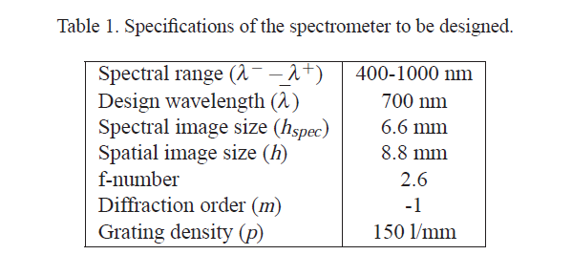
to be designed |  |  |  |  | eq.20
Spectral range(mm) |  |  |  |  | -3.6421436868E-05
0.0008 |  |  | 15 |  | eq.23
${\overline{θ}}_{3}(rad$)
Design wavelength(mm) |  |  |  |  | -5.7392937199E-06
0.0013 |  |  | 0.2617993878 |  | eq.14
$\overline{φ}′$(rad)
Spectral image size(mm) |  |  |  |  | 28.974060263
12.8 |  |  | -0.01790602634 |  | eq.26
$\overline{φ}′$(degree)
Spatial image size(mm) |  |  |  |  | -106.66666667
$$α(degree)$$
16 |  |  | -1.0259397371 |  | eq.10-1
f-number |  |  |  |  | -51.67078407
$\overline{θ_{2}}′$(degree)
3.8197186342 |  |  | -0.00032883730754 |  | eq.10-2
Diffraction order |  |  |  |  | -199.64057919
-1 |  |  | 28.974060263 |  | eq.1
$$R_{2}(mm)$$
Grating density(1/mm) |  |  |  |  | -0.74696316328
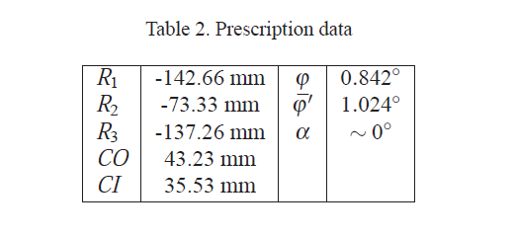
150 |  |  | -106.66666667 |  | eq.8
 |  |  | CI(mm) |  | -72.47078407
$$R_{3}(mm)$$
0.0066666666667 |  |  | 51.67078407 |  | eq.11
 |  |  |  |  | -0.012767448974
$$θ_{2}(degree)$$
125 |  |  | -199.64057919 |  | eq.7
71.428571429 |  |  |  |  | 21.033157883
 |  |  | -42.797836708 |  | eq.8
 |  |  | CO(mm) |  | -201.9201316
$$φ(degree)$$
 |  |  | 72.47078407
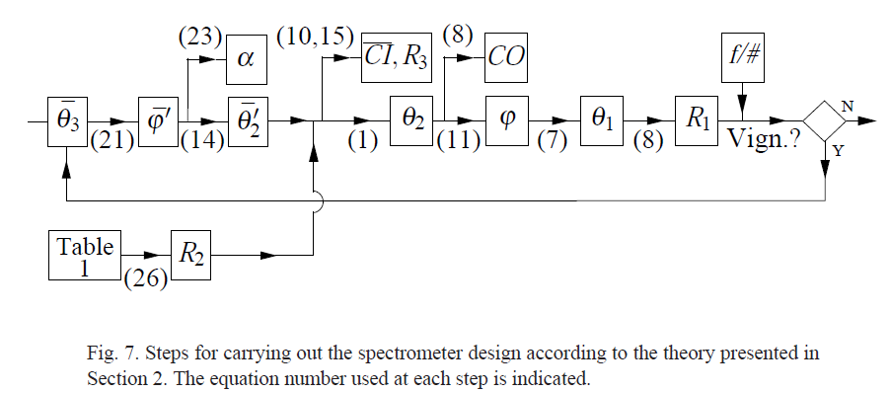
9.216
 |  |  | -0.73152094135
$$θ_{1}(degree)$$
設定繞射階數
Excel: -1
Code V: 1
 |  |  | 21.033157883
$$R_{1}(mm)$$
 |  |  | -201.9201316

 |  | CODEV參數
 |  | thickness 1 | 188.46677427 | 188.46677427
 |  | thickness 2 | 110.19951908 | -110.19951908
theta3(degree) |  | thickness 3 | 107.75517979 | 107.75517979
21.284937192 |  | thickness 4 | 186.02243498 | -186.02243498

$$R_{1}(mm)$$
$$R_{2}(mm)$$
$$R_{3}(mm)$$
 |  |  | -201.9201316
 |  |  | -106.66666667
 |  |  | -199.64057919
 |  |  |  | 偏心和彎曲
$$θ_{1}(degree)$$
$$θ_{2}(degree)$$
 |  |  | 21.033157883 | 表面1之Alpha角
$$θ_{3}(degree)$$
 |  |  | -42.797836708 | 光柵之Alpha角 |  |  |  |  | 可能的變數
 |  |  | 21.284937192 | 表面3之Alpha角 |  | 生成程式碼 |  | ins s1 | 光柵間距0.0061mm因此每1mm有165條狹縫
 |  |  |  |  |  |  |  | ins s2 | 左邊綠綠的東西
 |  |  |  |  |  |  |  | ins s3 | 輸入:F number (F number=設計張角值弳度的倒數)900~1700設計上採張角15度 F number =3.82
 |  |  |  |  |  |  |  | DIM M
 |  |  |  |  |  |  |  | RMD S1 REFL
 |  |  |  |  |  |  |  | RMD S2 REFL
 | WL W1 1700 |  |  |  |  |  |  | RMD S3 REFL
 | IN CV_MACRO:inswl 1+1 |  |  |  |  |  |  | rdy s1 121.9120464
 | CODE V> out n |  |  |  |  |  |  | rdy s2 -71.97765622
 | WL W1 1700 |  |  |  |  |  |  | RDY S3 71.286547
 | IN CV_MACRO:inswl 1+1 |  |  |  |  |  |  | RDY S4 -121.2209372
 | CODE V> out n |  |  |  |  |  |  | THI S1 121.9120464
 | WL W2 1500 |  |  |  |  |  |  | THI S2 -71.97765622
 | 18:47:20 警告:Wavelengths arranged in descending order |  |  |  |  |  |  | THI S3 71.286547
 | WL W2 1500 |  |  |  |  |  |  | THI S4 -121.2209372
 | WL W3 1300 |  |  |  |  |  |  | THI SO 121.9120464
 | WL W3 1100 |  |  |  |  |  |  | THI S1 -71.97765622
 | IN CV_MACRO:inswl 3+1 |  |  |  |  |  |  | THI S2 71.286547
 | CODE V> out n |  |  |  |  |  |  | THI S3 -121.2209372
 | WL W3 1300 |  |  |  |  |  |  | THI S4 0
 | WL W4 1100 |  |  |  |  |  |  | RDY S1 -131.3152019
 | IN CV_MACRO:inswl 4+1 |  |  |  |  |  |  | RDY S2 -69.81818182
 | CODE V> out n |  |  |  |  |  |  | RDY S3 -130.6738337
 | WL W5 900 |  |  |  |  |  |  | RDY S4 0
 | CLS WVL W1 RED |  |  |  |  |  |  | ben s1; ade s1 21.81439679
 | CLS WVL W3 BLU |  |  |  |  |  |  | ben s2; ade s2 -44.33990689
 | CLS WVL W4 MAG |  |  |  |  |  | F number | ben s3; ade s3 21.92700187
 | CLS WVL W5 YEL |  |  |  |  |  |  | FNO 3.82
 |  |  |  |  |  |  |  | DIF S2 GRT
 |  |  |  |  |  |  | 光柵間距0.0061mm | GRO S2 1
 |  |  |  |  |  |  |  | GRS S2 0.0061

